Sheet1
TKP Drawbar data (lbs) | TKP Distance data (ft)
0.00 | 0.00 | 0.00 | 0
0.00 | 0.00 | 0.00 | 1
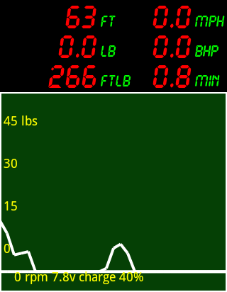
0.00 | 0.00 | 0.00 | 2
0.75 | 0.00 | 0.00 | 3
0.75 | 0.00 | 0.00 | 4
1.00 | 0.00 | 0.00 | 5
0.75 | 0.00 | 0.00 | 6
0.75 | 0.00 | 0.00 | 7
0.00 | 0.00 | 0.00 | 8
0.00 | 0.00 | 0.00 | 9
0.00 | 1.94 | 0.00 | 10
1.00 | 3.88 | 0.19 | 11
10.54 | 5.81 | 2.24 | 12
10.04 | 7.75 | 4.18 | 13
9.04 | 9.69 | 5.93 | 14
8.53 | 11.63 | 7.59 | 15
7.53 | 13.56 | 9.05 | 16
9.04 | 15.50 | 10.80 | 17
8.28 | 17.44 | 12.40 | 18
11.55 | 19.38 | 14.64 | 19
15.31 | 21.31 | 17.60 | 20
11.55 | 23.25 | 19.84 | 21 | Time (minutes) | 0.9
5.02 | 25.19 | 20.81 | 22 | Distance (ft) | 63.9
5.52 | 27.13 | 21.88 | 23 | Work done (ftlb) | 267.0
6.02 | 28.09 | 22.47 | 24 | Average speed (mph) | 0.82
0.00 | 30.03 | 22.47 | 25 | Average pull (lb) | 2.8
0.00 | 31.97 | 22.47 | 26 | Max pull (lb) | 15.3
0.00 | 33.91 | 22.47 | 27 | Average BHP | 0.002
0.00 | 35.84 | 22.47 | 28
0.00 | 37.78 | 22.47 | 29 | Date/time | 25-01-2012 04:36:52
0.00 | 39.72 | 22.47 | 30 | TKP file number | 2
0.00 | 41.66 | 22.47 | 31
0.00 | 43.60 | 22.47 | 32
0.00 | 45.53 | 22.47 | 33
0.00 | 47.47 | 22.47 | 34
1.00 | 49.41 | 22.66 | 35
7.03 | 51.35 | 24.02 | 36
8.28 | 53.28 | 25.63 | 37
5.52 | 55.22 | 26.70 | 38
0.00 | 57.16 | 26.70 | 39
0.00 | 59.10 | 26.70 | 40
0.00 | 61.03 | 26.70 | 41
0.00 | 62.97 | 26.70 | 42
0.00 | 63.94 | 26.70 | 43
0.00 | 63.94 | 26.70 | 44
0.00 | 63.94 | 26.70 | 45
0.00 | 63.94 | 26.70 | 46
0.00 | 63.94 | 26.70 | 47
0.00 | 63.94 | 26.70 | 48
0.00 | 63.94 | 26.70 | 49
0.00 | 63.94 | 26.70 | 50
0.00 | 63.94 | 26.70 | 51
TKP Distance data (ft) | 63.94 | 26.70 | 52
0.00
0.00
0.00
0.00
0.00
0.00
0.00
0.00
0.00
0.00
1.94
3.88
5.81
7.75
9.69
11.63
13.56
15.50
17.44
19.38
21.31
23.25
25.19
27.13
28.09
30.03
31.97
33.91
35.84
37.78
39.72
41.66
43.60
45.53
47.47
49.41
51.35
53.28
55.22
57.16
59.10
61.03
62.97
63.94
63.94
63.94
63.94
63.94
63.94
63.94
63.94
63.94
63.94
TKP Setup data
0.00
0.00
Engine name
Operator name
Notes/serial number
6.00
12.00
Company name
150.00
100.00
Steam
0.00
25-01-2012 04:36:52
1.00
1.00
2.00
3.70

